How to play
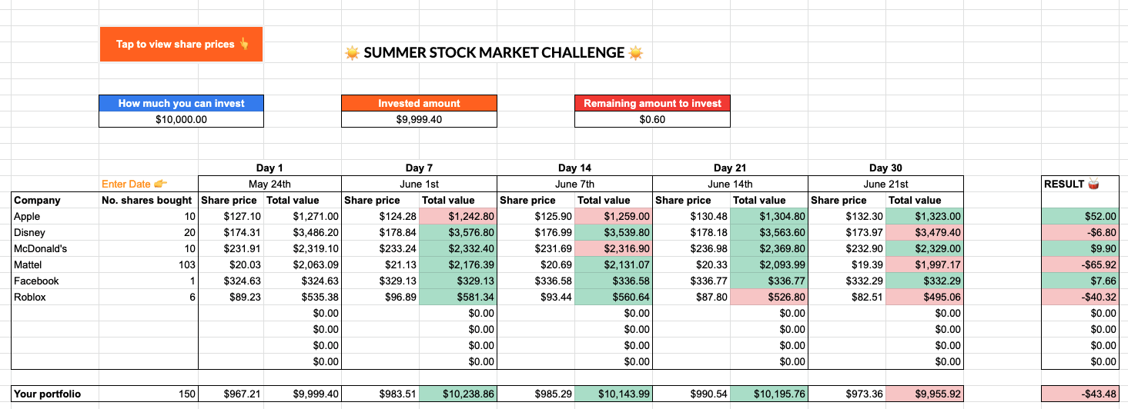
SUMMER STOCK MARKET CHALLENGE

Imagine you have $10,000 that you can invest in the stock market 💡. Let's see how much money you can make over the next 30 days by taking part in our Summer Stock Challenge. Send us a copy of your results to hello@roostermoney.com to be in with the chance of winning prizes. There's also a special prize for the most profitable portfolio! You can download our paper worksheet to print out for your child to choose their stocks and track their share prices. You can also use our stock stracker to help calculate their portofilo!

Tap to view stock tracker

HOW TO PLAY
Step 1: Pick from the 10 Rooster recommended companies. You could do some research about them, or just pick the ones you like.
Step 2: Decide how many stocks you want to buy from each of your chosen companies. You can spend it all on one, or spread it across many.
Step 3: Make note of the share price on the day you 'buy' your stock and calculate what the total value is for day one.
Step 4: Check back on days 7, 14, 21 and 30 and make note of the value of your stocks on those days to see how they're doing.
Step 5: On day 30, make note of the final share prices and calculate the total value you have earned (or lost). Send us your results to enter our prize draw.

Example of filled out stock tracker:

Stock Tracker

SUMMER STOCK MARKET CHALLENGE

 | How much you can invest |  |  | Invested amount |  |  | Remaining amount to invest
 | $10,000.00 |  |  | $0.00 |  |  | $10,000.00

 |  | Day 1 |  | Day 7 |  | Day 14 |  | Day 21 |  | Day 30
 | Enter Date 👉 |  |  |  |  |  |  |  |  |  |  | RESULT 🥁
Company | No. shares bought | Share price | Total value | Share price | Total value | Share price | Total value | Share price | Total value | Share price | Total value
 |  |  | $0.00 |  | $0.00 |  | $0.00 |  | $0.00 |  | $0.00 | $0.00
 |  |  | $0.00 |  | $0.00 |  | $0.00 |  | $0.00 |  | $0.00 | $0.00
 |  |  | $0.00 |  | $0.00 |  | $0.00 |  | $0.00 |  | $0.00 | $0.00
 |  |  | $0.00 |  | $0.00 |  | $0.00 |  | $0.00 |  | $0.00 | $0.00
 |  |  | $0.00 |  | $0.00 |  | $0.00 |  | $0.00 |  | $0.00 | $0.00
 |  |  | $0.00 |  | $0.00 |  | $0.00 |  | $0.00 |  | $0.00 | $0.00
 |  |  | $0.00 |  | $0.00 |  | $0.00 |  | $0.00 |  | $0.00 | $0.00
 |  |  | $0.00 |  | $0.00 |  | $0.00 |  | $0.00 |  | $0.00 | $0.00
 |  |  | $0.00 |  | $0.00 |  | $0.00 |  | $0.00 |  | $0.00 | $0.00
 |  |  | $0.00 |  | $0.00 |  | $0.00 |  | $0.00 |  | $0.00 | $0.00

Your portfolio | 0 | $0.00 | $0.00 | $0.00 | $0.00 | $0.00 | $0.00 | $0.00 | $0.00 | $0.00 | $0.00 | $0.00

⚠️ NOTE: The stock exchange is closed on the weekends so if your check in date is on a weekend, just use the next working day.

